Sheet1
 |  | PROBABILITY AND STATISTICS
 |  | DESIGN OF EXPERIEMNT
 |  | DAV COLLEGE
 |  | PRACTICAL NO:4

Roll no:16 |  |  |  |  | Date:2079-09-20

Questions: The yields of treatments in different plots are shown in the following plots.
 | Carry out analysis of one-way ANOVA or CRD.

t1 1401 | t2 2536 | t3 2459 | t1 2537 | t3 2827 | t1 2069
t2 2211 | t1 1797 | t4 1170 | t4 1516 | t4 2104 | t3 2385
t2 3366 | t1 2104 | t2 2591 | t3 2460 | t1 1077 | t2 2544

Calculation:

Using Excel
Data analysis: |  | Anova: Single Factor

 | SUMMARY
 | Groups | Count | Sum | Average | Variance | P-value
 | t1 | 6 | 10985 | 1830.8333333 | 276836.16667 | 0.0084137045355
 | t2 | 5 | 13248 | 2649.6 | 183272.3
 | t3 | 4 | 10131 | 2532.75 | 39714.916667
 | t4 | 3 | 4790 | 1596.6666667 | 222969.33333

 | ANOVA
 | Source of Variation | SS | df | MS | F
 | Between Treatment | 3352277.6611 | 3 | 1117425.887 | 5.8321778655
 | Within Error | 2682353.45 | 14 | 191596.675

 | Total | 6034631.1111 | 17

 | Now,
 | When all treatement mean is same ,performnce of all the treatments are similar.
 | when atleast one treatment is different , mean is different.

 | Test Statistics: Under H0 test statistics is:
 | Fcal=5.832178
 | Critical value: The tabulatd value of F at α=0.05 and (3,14) is
 | F0.05(3,14)=3.34889
 | Decision: since Fcal>Ftab; we reject H0 . It is significant.

 | P value Approach
 | If P<= α; we reject H0 otherwise accept.
 | α=0.05
 | p=0.008414

 | Since P<α We reject null hypothesis. It is significant

Using SPSS:

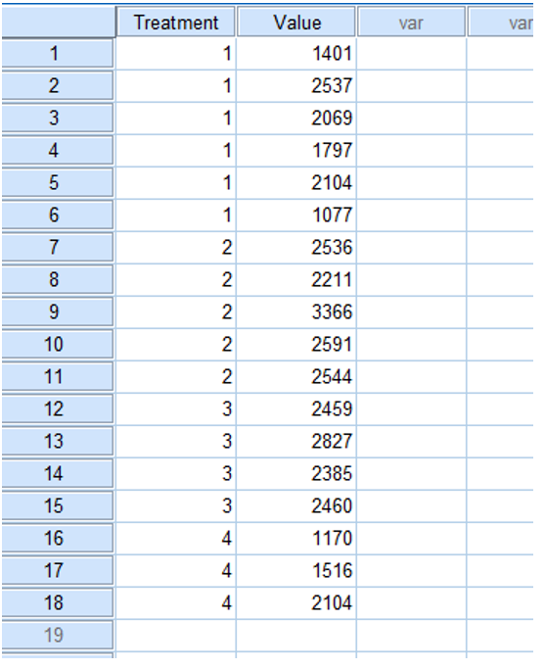

Data Syntax For One-way ANOVA:

 | DATASET ACTIVATE DataSet0.
 | ONEWAY value BY treatment
 | /STATISTICS DESCRIPTIVES
 | /MISSING ANALYSIS

One-Way ANOVA USING SPSS:

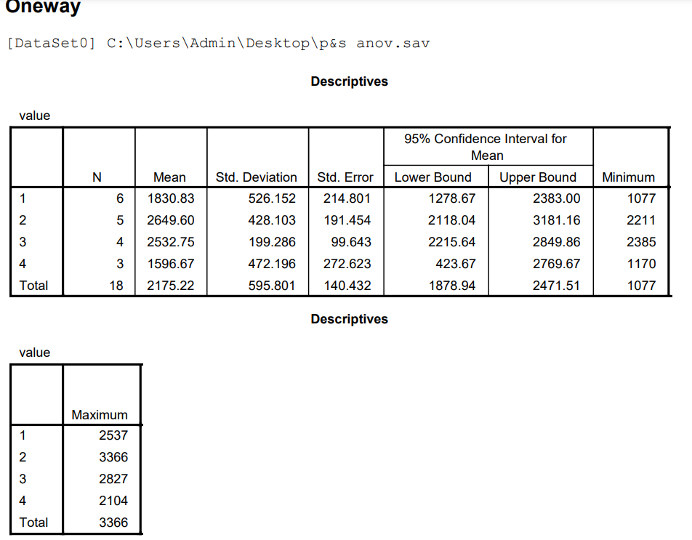

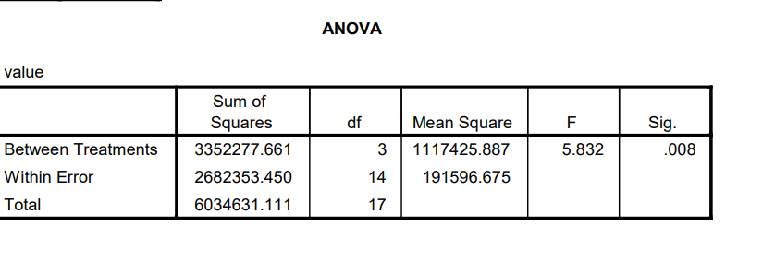

Done By :Nischal Shakya.

